Sheet1
Full-Name | Team's-Name | Number | Gender | Profile Image
Opeyemi Tolulope | Knight FC | 9049164098 | Male | 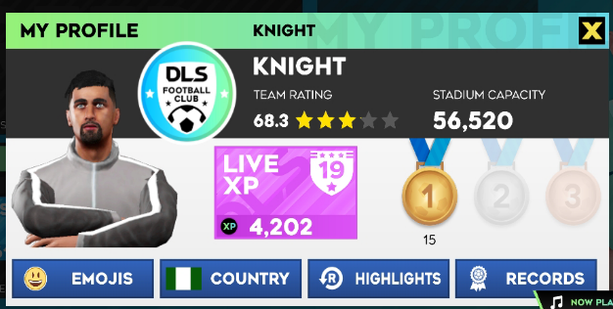
Igwilo Chimaobi | Octyme FC | 8109955680 | Male | 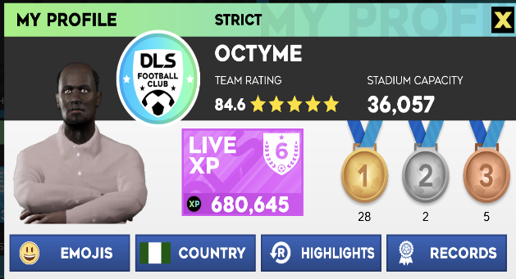
Adelegan Precious | AdexPrex FC | 9060462238 | Male | 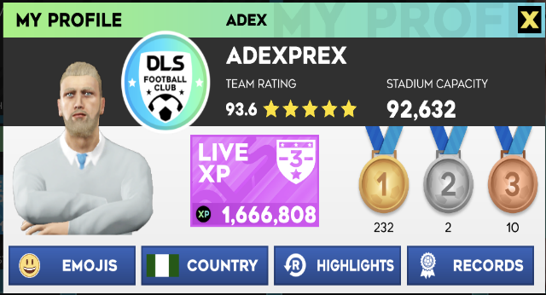
Israel | Love FC | 7040976400 | Male | 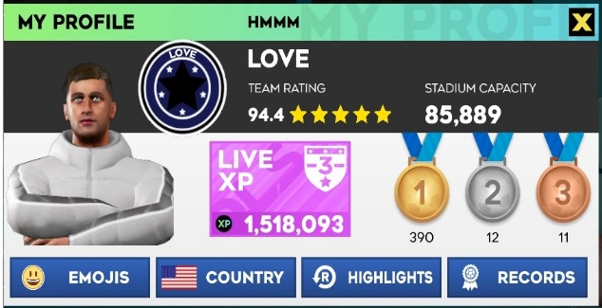
Omodara Mobolaji | Bee Jay FC | 8162714190 | Male | 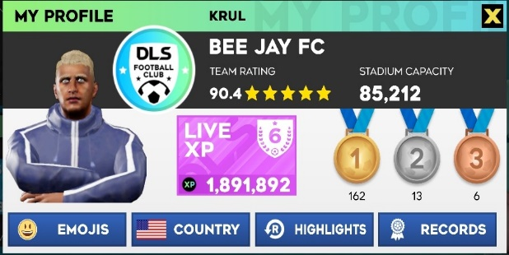
David Ifeanyi | Ifeanyi FC | 9121093437 | Male | 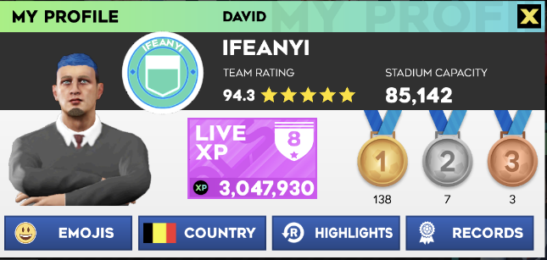
Adewale | Adewale FC | 9033259952 | Male | 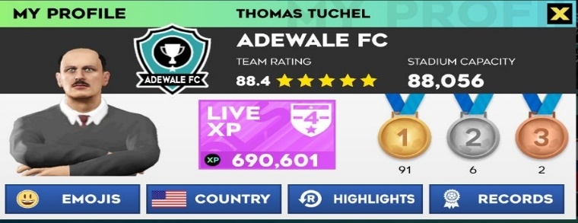
Steve | Arsenal FC | 8146731971 | Male | 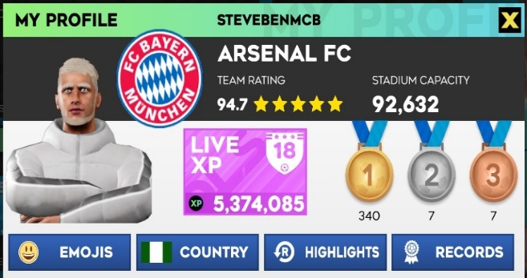
Anyamele Miracle | Mirax on colos FC | 7040778464 | Male | 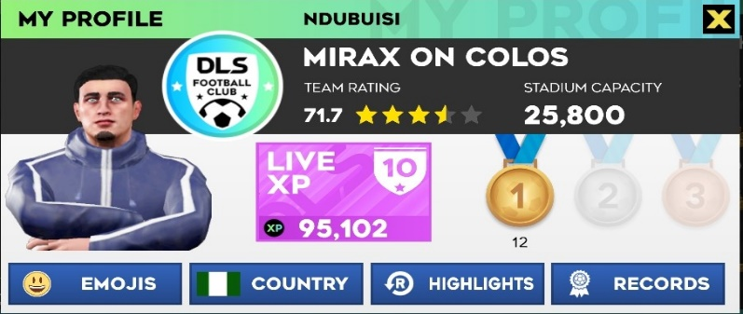
Khalid jimoh | K KLASH ACADEMY | 8128792734 | Male | 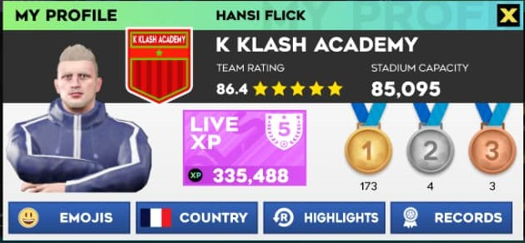
Double Jay | Double Jay FC | 9090293558 | Male | 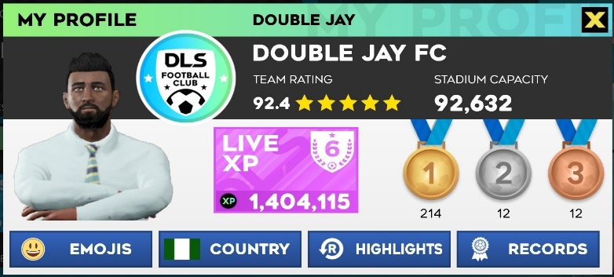
Wizzy | Wizienski FC | 8026170514 | Male | 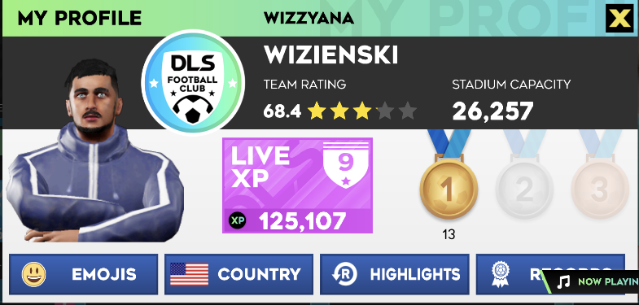
Izzy | Izzy FC | 8025478717 | Male | 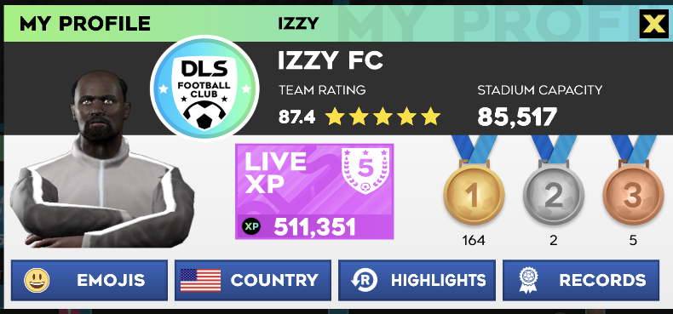
Adeseun | Seunzy FC | 7049188562 | Male | 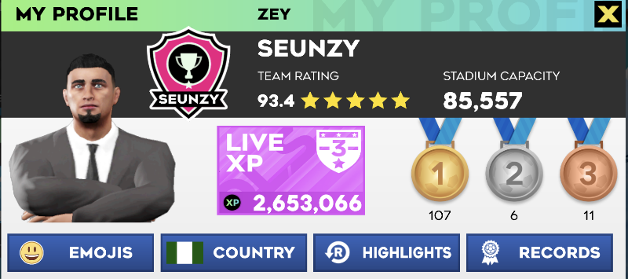
Olarewaju | Olarewaju Fc | 9161564273 | Male | 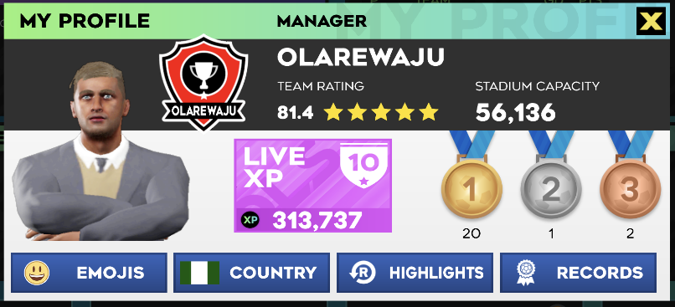
Ayomitide Adeliyi | TIDE FC | 8138682007 | Male | 